Bar Chart
Row Labels | Count of LOAN_AGREEMENT_NO
Apr-25 | 997
May-25 | 858
Jun-25 | 846
Jul-25 | 995
Aug-25 | 817
Sep-25 | 982
Oct-25 | 1200
Nov-25 | 1005
Dec-25 | 1218
Jan-26 | 1015
Feb-25 | 978
Mar-26 | 1494
Grand Total | 12405

Row Labels | Sum of Amt In Cr
Apr-25 | 164.56
May-25 | 127.89
Jun-25 | 113.41
Jul-25 | 146.55
Aug-25 | 120.98
Sep-25 | 129.93
Oct-25 | 159.44
Nov-25 | 131.18
Dec-25 | 136.94
Jan-26 | 122.32
Feb-25 | 134.90
Mar-26 | 210.92
Grand Total | 1699.02

Pia Chart
Row Labels | Count of LOAN_AGREEMENT_NO
1. COMMERCIAL + FLEET | 1491
2. DEMO | 121
3. FTU | 515
4. IP - SALARIED | 1638
5. IP - SELF EMPLOYED | 3545
6. IP- CORPORATE / FIRM / TRUST | 1039
7. NIP | 2152
Grand Total | 10501

Top 10 Dealer
Row Labels | Count of LOAN_AGREEMENT_NO
JAI GANESH TOYOTA-RAJKOT | 245
WASAN TOYOTA-NASHIK | 257
MUNJANI AUTO LLP | 269
RAJPAL TOYOTA-BHOPAL | 288
REGENT TOYOTA, BHIWANDI | 310
INFINIUM TOYOTA-AHMEDABAD | 318
MADHUBAN TOYOTA KURLA | 499
WASAN TOYOTA CHEMBUR | 521
SHARAYU TOYOTA BHOSARI | 599
SHAW TOYOTA 1S-PUNE | 936
Grand Total | 4242

KPI
Row Labels | Count of LOAN_AGREEMENT_NO | Row Labels | Sum of Amt In Cr
Apr-25 | 997 | Apr-25 | 164.56
May-25 | 858 | May-25 | 127.89
Jun-25 | 846 | Jun-25 | 113.41
Jul-25 | 995 | Jul-25 | 146.55
Aug-25 | 817 | Aug-25 | 120.98
Sep-25 | 982 | Sep-25 | 129.93
Oct-25 | 1200 | Oct-25 | 159.44
Nov-25 | 1005 | Nov-25 | 131.18
Dec-25 | 1218 | Dec-25 | 136.94
Jan-26 | 1015 | Jan-26 | 122.32
Feb-25 | 978 | Feb-25 | 134.90
Mar-26 | 1494 | Mar-26 | 210.92
Grand Total | 12405 | Grand Total | 1699.02
 | 12405 |  | 1699.02
 | Series1
01-02-2025 | 978
01-04-2025 | 997
01-05-2025 | 858
01-06-2025 | 846
01-07-2025 | 995
01-08-2025 | 817
01-09-2025 | 982
01-10-2025 | 1200
01-11-2025 | 1005
01-12-2025 | 1218
01-01-2026 | 1015
01-03-2026 | 1494

SOURCEOFLEAD
Row Labels | Count of LOAN_AGREEMENT_NO | SOURCEOFLEAD | Count | %
FIELD EXECUTIVE | 8673 | FIELD EXECUTIVE | 8673 | 69.9%
MARUTI SMART FINANCE | 421 | MARUTI SMART FINANCE | 421 | 3.4%
TFSIN WEBSITE | 2 | TFSIN WEBSITE | 2 | 0.0%
WALK IN | 3309 | WALK IN | 3309 | 26.7%
Grand Total | 12405

Cibil Band
Cibil Band | Count of LOAN_AGREEMENT_NO | Cibil Band | Count | %
-1 | 793 | -1 | 793 | 6.4% | 6.39%
<650 | 214 | <650 | 214 | 1.7%
650-674 | 715 | 650-674 | 715 | 5.8%
675-699 | 48 | 675-699 | 48 | 0.4%
700-749 | 3439 | 700-749 | 3439 | 27.7%
750-799 | 4971 | 750-799 | 4971 | 40.1%
800+ | 425 | 800+ | 425 | 3.4%
CORP Below 100 | 471 | CORP Below 100 | 471 | 3.8%
- | 1329 | - | 1329 | 10.7%
Grand Total | 12405

Dashboard
Financial Sales Performance Dashboard - FY 25-26

Disbursement Count
Disbursement Amt in Cr.
MOM Disbursement Performance Count :-
MOM Disbursement Performance (Amt in Cr) :-
12405
1699.02
 | Total
Apr-25 | 997
May-25 | 858
Jun-25 | 846
Jul-25 | 995
Aug-25 | 817
Sep-25 | 982
Oct-25 | 1200
Nov-25 | 1005
Dec-25 | 1218
Jan-26 | 1015
Feb-25 | 978
Mar-26 | 1494
 | Total
Apr-25 | 164.56
May-25 | 127.89
Jun-25 | 113.41
Jul-25 | 146.55
Aug-25 | 120.98
Sep-25 | 129.93
Oct-25 | 159.44
Nov-25 | 131.18
Dec-25 | 136.94
Jan-26 | 122.32
Feb-25 | 134.90
Mar-26 | 210.92

 | Total
01-02-2025 | 978
01-04-2025 | 997
01-05-2025 | 858
01-06-2025 | 846
01-07-2025 | 995
01-08-2025 | 817
01-09-2025 | 982
01-10-2025 | 1200
01-11-2025 | 1005
01-12-2025 | 1218
01-01-2026 | 1015
01-03-2026 | 1494
 | Total
01-02-2025 | ₹134.90
01-04-2025 | ₹164.56
01-05-2025 | ₹127.89
01-06-2025 | ₹113.41
01-07-2025 | ₹146.55
01-08-2025 | ₹120.98
01-09-2025 | ₹129.93
01-10-2025 | ₹159.44
01-11-2025 | ₹131.18
01-12-2025 | ₹136.94
01-01-2026 | ₹122.32
01-03-2026 | ₹210.92

MOM Growth %
MOM Growth %

Filters :-
 | Total
1. COMMERCIAL + FLEET | 1491
2. DEMO | 121
3. FTU | 515
4. IP - SALARIED | 1638
5. IP - SELF EMPLOYED | 3545
6. IP- CORPORATE / FIRM / TRUST | 1039
7. NIP | 2152
Channal Wise Performance :-
Product Mix :-

CIBIL-wise contribution :-
Source Of Lead :-
Top 10 Dealer Performance :-
 | % | Count
-1 | 6.4% | 793
<650 | 1.7% | 214
650-674 | 5.8% | 715
675-699 | 0.4% | 48
700-749 | 27.7% | 3439
750-799 | 40.1% | 4971
800+ | 3.4% | 425
CORP Below 100 | 3.8% | 471
- | 10.7% | 1329
 | Count | %
FIELD EXECUTIVE | 8673 | 69.9%
MARUTI SMART FINANCE | 421 | 3.4%
TFSIN WEBSITE | 2 | 0.0%
WALK IN | 3309 | 26.7%
 | Total
JAI GANESH TOYOTA-RAJKOT | 245
WASAN TOYOTA-NASHIK | 257
MUNJANI AUTO LLP | 269
RAJPAL TOYOTA-BHOPAL | 288
REGENT TOYOTA, BHIWANDI | 310
INFINIUM TOYOTA-AHMEDABAD | 318
MADHUBAN TOYOTA KURLA | 499
WASAN TOYOTA CHEMBUR | 521
SHARAYU TOYOTA BHOSARI | 599
SHAW TOYOTA 1S-PUNE | 936

Key Performance & Insights
📊 Key Performance Highlights :-
* Peak in Mar’26 (1,494 units) and Oct’25 (₹210.2 Cr).
* Consistent upward momentum from Aug’25 onward, suggesting seasonal or campaign-driven boosts.
* Shaw Toyota (Pune) leads with 936 units, followed by Sharayu Toyota (Bhosari) and Wasan Toyota (Chembur).
* Self-employed (3,545) and Commercial/Fleet (2,152) segments dominate.
* Majority between 700–774, showing a healthy credit profile base.
* Field Executives contribute nearly 70% of leads — heavy reliance on direct sales.
💡 Strategic Insights :-
* Focus on digital lead generation to balance heavy field dependency.
* Maintain momentum in high-credit-score segments for stable portfolio quality.
* Leverage top-performing dealers as benchmarks for regional expansion.
Top 6 Selling Cars in TFSIN


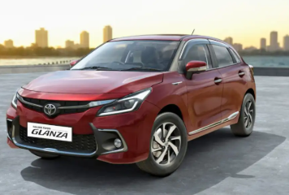
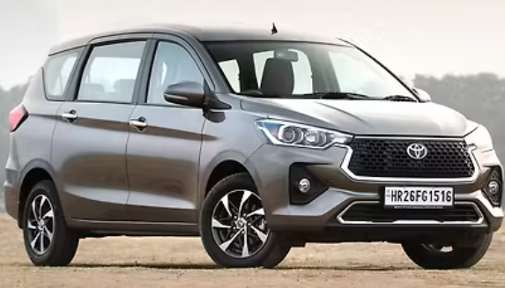

Hyryder - FY'26 (2244)
Glanza - FY'26 (2141)
Rumion -FY'26 (1441)

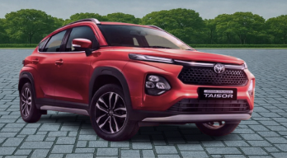
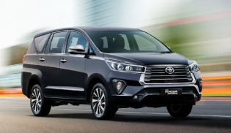

Taisor - FY'26 (1231)
Innova Crysta - FY'26 (1314)
Innova HyCross - FY'26 (1247)

